high-level model
Orders
Grain = 1 row per order detail line
Product
Date
Customer
Figure: Dollmart high-level orders dimensional model

detailed dimensional model
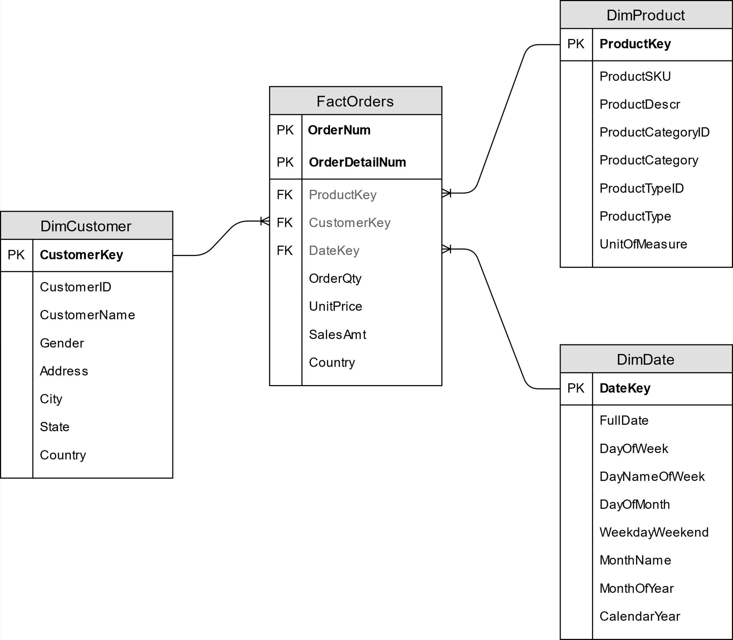

Figure: Dollmart detailed orders dimensional model

